Tabelle1
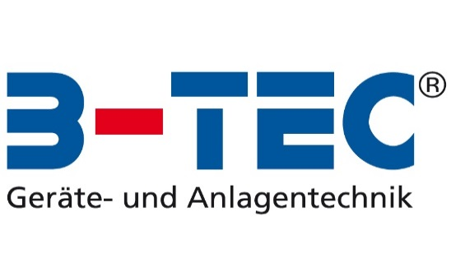

B-TEC KANDO Spreadsheet

Please fill in the blue cells:

Number of cup systems per week | 75
Price per cup system | 1.00 €
Price for disposal per cup system | 0.20 €

Price for KANDO (German list price excl. Freight charge - prices in other countries may vary) | 3,475.00 €
Price KANCLEAN 25 L (for approx. 500 cup systems) | 75.00 €
Costs for disposal of KANCLEAN / canister | 15.00 €

KANDO paid off by savings after* | 12 Months
Following savings per year: | 3,373.50 €

Long-term cost comparison (excluding depreciation):
 | With cup systems | With KANDO | Your savings
Date of purchase | 0 | 3,475.00 € | -3,475
After 12 months | 4,590.00 € | 4,691.50 € | -102
After 24 months | 9,180.00 € | 5,908.00 € | 3,272
After 36 months | 13,770.00 € | 7,124.50 € | 6,646
After 48 months | 18,360.00 € | 8,341.00 € | 10,019
After 60 months | 22,950.00 € | 9,557.50 € | 13,393
Long-term cost comparison (excluding depreciation):

Costs for cup systems:
Costs for cup systems per week | 90.00 €
Costs for cup systems per year | 4,590.00 €

Operating cost for KANDO (without costs for the device itself):
Cost per week with KANDO | 23.85 €
Cost per year with KANDO | 1,216.50 €
Savings per week with KANDO | 66.15 €
Savings per year with KANDO | 3,373.50 €

Spreadsheet data:
Price KANCLEAN per cup system | 0.15 €
Price KANCLEAN per week | 11.25 €
Costs for disposal of KANCLEAN / canister per week | 2.35 €
Costs of air consumption per cup system | 0.03 €
Costs of air consumption per week | 2.25 €
Costs for new cup systems per week | 8.00 €
Disposal costs for cup systems per week | entfällt
Depreciation per year for KANDO | 434.38 €

* static amortization method neglecting the time value of the money, the liquidation proceeds and imputed interest

The generated cost calculations are example calculations, without obligation and without guarantee

